Examine
Test No | Test Case | Pre-condition | Description | Test Data | Test Step | Extected Result | Actual Result | Result | Tester | Note
Examine_01 | Access Examine page | Log in as Admin | At homepage, click on the Examine link |  |  | Move to https://digital-easy.link/askme/q&a |  | Pass
Examine_02 | Check the UI of Examine | Log in as Admin | From Examine home page, the admin can access and view the UI of the page |  |  | - Should have the logo Bosch at the top left of the page, and whenever the admin click on the logo, the age will navigate back to the Examine homepage '- At the main Examine page, there is a "New Test" button for new test creation - At the main Examine page, if any test already created, that test board should be at the main screen with the test's name, "Open" button and "Created" date. Also there is an edit button, when the admin click on that, should shows "Duplicate, Delete" - Click Duplicate, the same Test set appears, this will help the admin able to re-use the old Test set and edit - Click Delete, the pop-up Delete Test appears with confirmation question "Are you sure you want to delete this test?", if confirm, then the Test set erased |  |  |  | When the user duplicate the Test set, should make the Test set's name differ than the original one (for example: kk and kk(1)) | 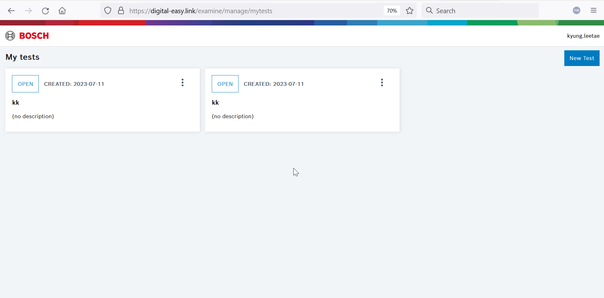

Examine_03 | Access to the Test set | Log in as Admin | Click on the Test set and check UI |  | Goto the Digital Easy link. | The DIGITAL-EASY TOOLSET page is loaded.
 |  |  |  |  | Click the Examine link | The "Mytests" link is navigated https://digital-easy.link/examine/manage/mytests
 |  |  |  |  | Click on one of the Test set | The TEST DETAIL page is navigated
 |  |  |  |  | Verify that all applications are listed | - There will be "TEST DETAIL" with BASIC INFORMATION, CONFIGURATION and OTHERS - At the left column, There are "TEST INFO", "TEST CONFIGURATION" and "TEST RESULTS" |  |  |  | 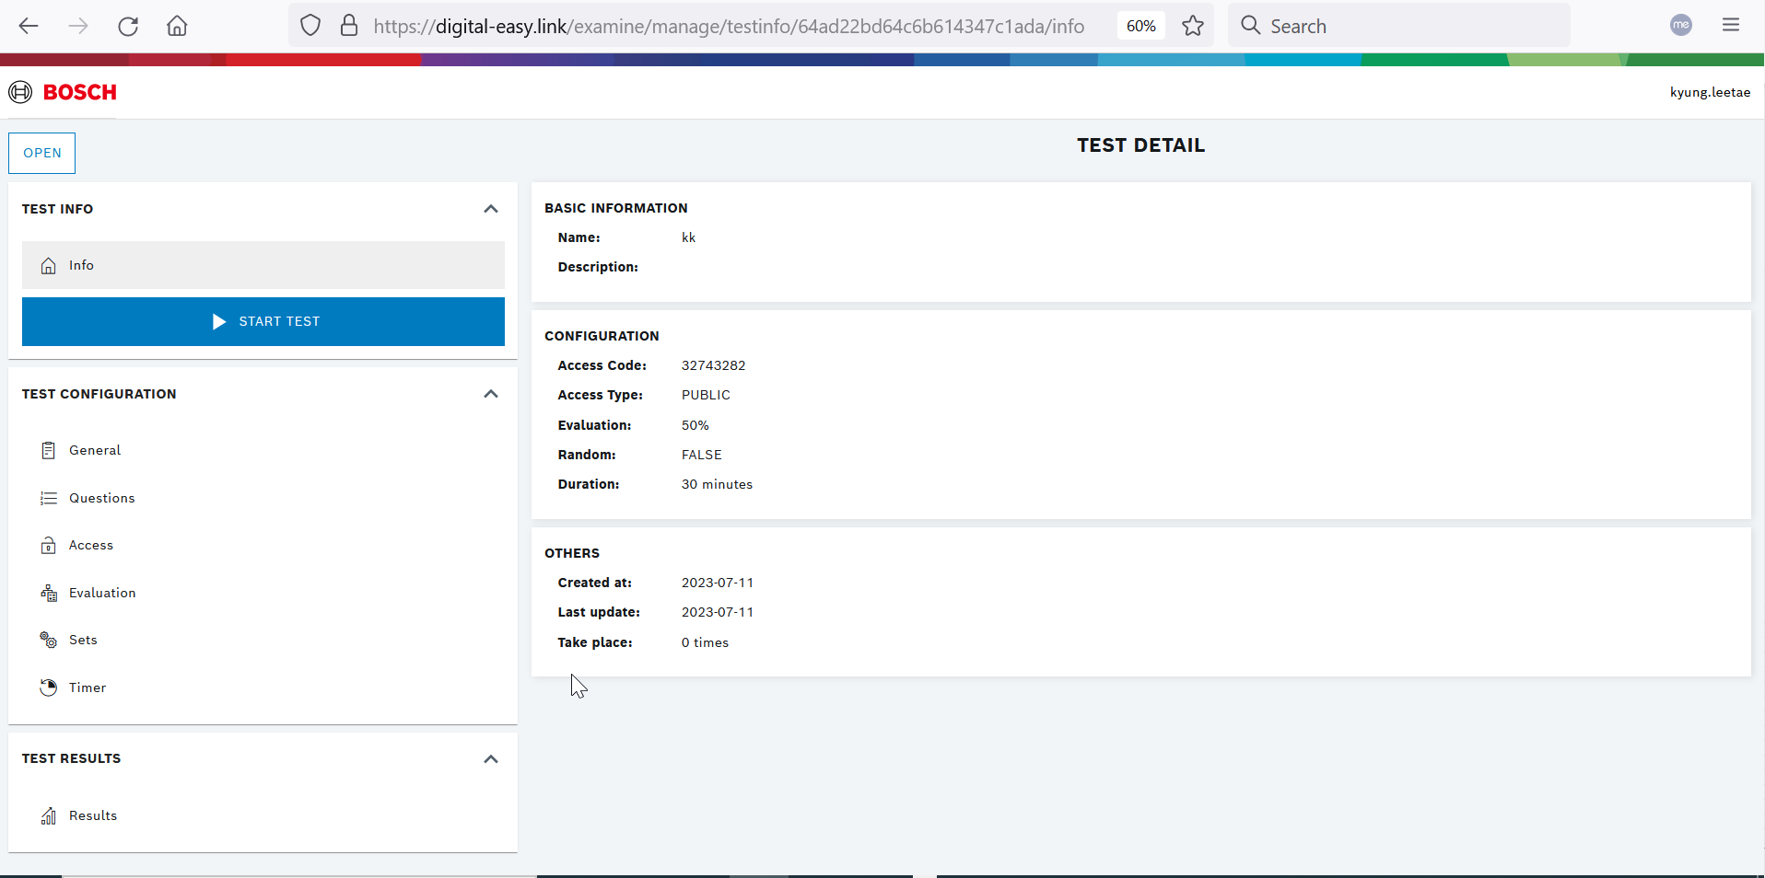

Examine_04 | Start the Test | Log in as Admin |  |  | From the left column, go to the TEST INFO and click START TEST | - The screen will displayed LATEST TEST with the link direct to the test and the QR code - At the bottom of the page will appears SESSIONS which contains the Submittion information |  |  |  | 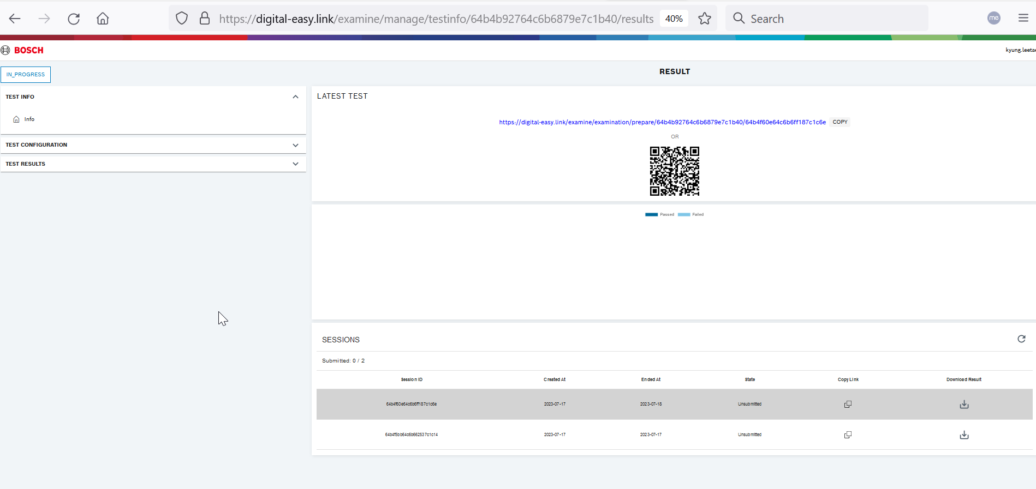
 |  |  |  |  | Click on the link or access to the QR code | The user able to navigate to Test Start Form page before the user finally able to click the "Start the test" button
 |  |  |  |  | Able to copy the link and when the user access to the QR code, the user have 2 options: copy the link or directly access to the link | User able to copy the link or directly access to the link when the user choose to click the link
 |  |  |  |  | Click on "Start the test" | The user able to do the test |  |  |  | Should make the admin creates the questions before created the test | 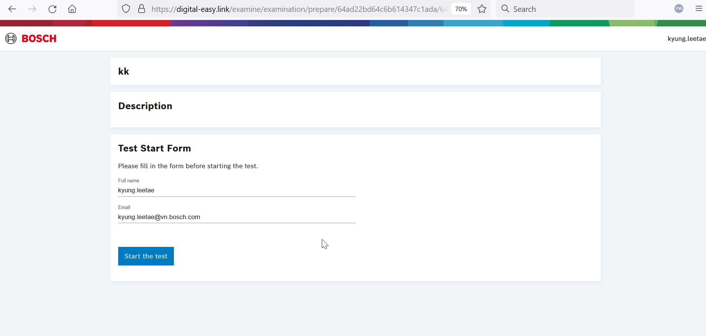
 |  |  |  |  | The user start to do the test | - The user able to do the test, then the user can click Submit The Test button if the user done their test - There is countdown while the users doing their test
 |  |  |  |  | Verify the Congratulations page after the user done their test | - The page shows Congratulations message and Result percentage |  |  |  |  | 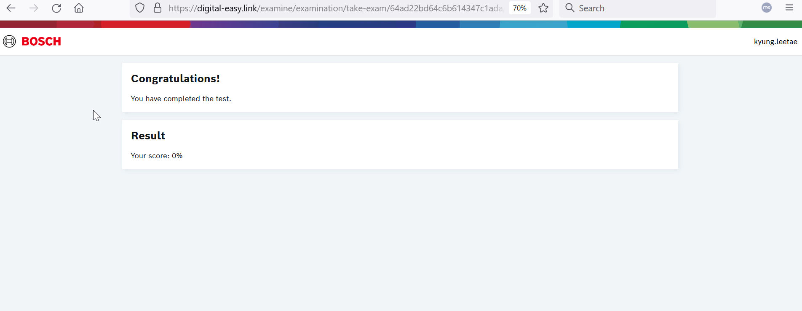

Examine_04 | Create New Test | Log in as Admin |  |  | Goto the Digital Easy link. | The DIGITAL-EASY TOOLSET page is loaded.
 |  |  |  |  | Click the Examine link | The "Mytests" link is navigated https://digital-easy.link/examine/manage/mytests
 |  |  |  |  | Click the button "New Test" | GENERAL SETTINGS page is navigated, the link: https://digital-easy.link/examine/manage/newtest
 |  |  |  |  | Verify the UI for GENERAL SETTINGS | - Title: GENERAL SETTINGS - Fill in the blanks: Test name*, Test description (Test name filling is mandatory) - When typing on Test name, the Create button enable but the button remain disable when the admin type only on Test description |  |  |  | https://dev.azure.com/BDC-RBVH-ETM/DigiApp/_workitems/edit/1807 should make the admin create test questions before proceed to any further steps | 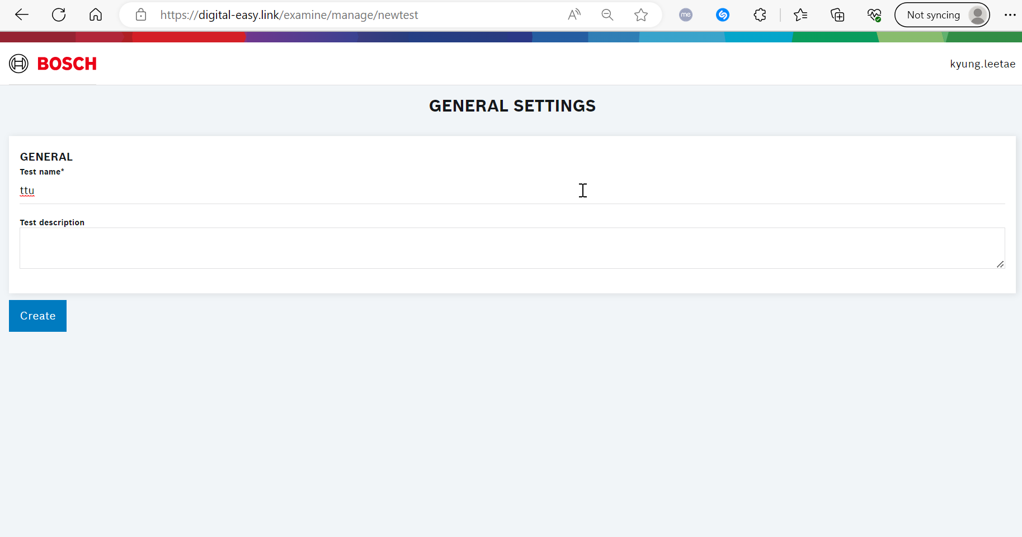
 |  |  |  |  | Click on Create button | The TEST DETAIL page is navigated
 |  |  |  |  | Verify that all applications are listed | - There will be "TEST DETAIL" with BASIC INFORMATION, CONFIGURATION and OTHERS - At the left column, There are "TEST INFO", "TEST CONFIGURATION" and "TEST RESULTS"
 |  |  |  |  | Verify the UI for TEST DETAILS | information from BASIC INFORMATION should be identical to what the admin filled up at GENERAL SETTINGS
 |  |  |  |  | Verify the usage of TEST CONFIGURATION | From the left column of the TEST DETAIL screen, the admin able to see and click on TEST CONFIGURATION's list, including General, Questions, Access, Evaluatio,Sets and Timer
 |  |  |  |  | + Click on General + Check if the admin not click on Edit button, the admin able to edit the information + Fill in Test name and Test description after click on "Edit" + Tries to set the name that already existed | The admin able to re-edit the name of the Test set and the Test description after press Edit button - Should pop-up the warning that the name already existed, should set the name differently |  |  |  | Test description wide expanding uncontrolled The admin still able to create the Test name that alreadu existed
 |  |  |  |  | - Click on Questions from TEST CONFIGURATION - From TEST QUESTIONS page, verify if there is already any question created initially - Click Create new | - The page will navigate to TEST QUESTIONS page - The admin click on Create new button, CREATE NEW QUESTION page is navigated |  |  |  | I have another idea: when the admin not yet created any question, must disable "START TEST" button from TEST INFO
 |  |  |  |  | Verify that all the applications available at CREATE NEW QUESTION | All the applications are appear according to the image from the "Note column" |  |  |  | 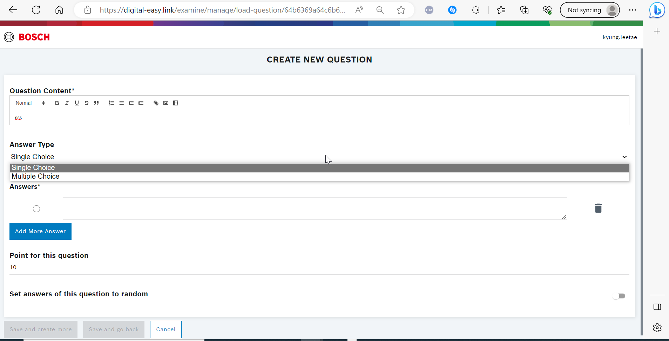
 |  |  |  |  | Test the typing, letters' format, applications from Questions Content | - There are Bold, Italic, underline, upload pictures, video URL available

 |  |  |  |  | TU BI KO TÌNH YÊU

